Feasibility Test Plan
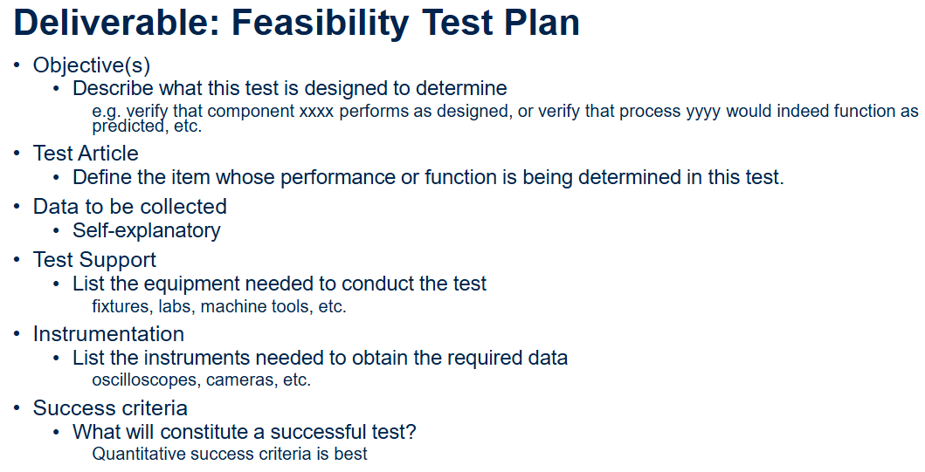
# | Area of Evaluation | Subsystem | Objective(s) | Test Article | Data to be Collected | Test Support | Instrumentation | Success Criteria
1 | SUPPLY CHAIN CAPABILITY | Electrical/Mechanical | To evaluate (A) effectiveness and (B) efficiency of supply chain by ordering through JLCPCB (electronics) and Send-Cut-Send (small mechanical part/bracket). | Printed Circuit Board ("PCB") prototype & mechanical structural part. | (A) Manufacturer lead time. (B) Price within budget. (C) Company information. (D) Product information. | N/A | Computer --> CAD & ordering part, communicating with supplier. | (A) Component arrives within 2 weeks from initial order. (B) PCB and component match design dimensions. (C) Component arrives with 0 defects hindering operation or performance of PCB. (D) Supplier has good support services.
2 | COMPONENT PERFORMANCE | Mechanical/Thermo-fluid | (A) To verify simultaneous operation of compressor with controller. (B) To confirm performance of compressor meets initial system requirements. | Compressor component. | (A) Component reliability. (B) Operating temperature range. (C) Power consumption. (D) Heat transfer rate. | Table with fixture accodomating compressor and ancillary parts. | Supporting wiring and electrical components for compressor operation. | (A) Compressor functions properly for a continuous 1hr operating period. (B) Effective minimum temperature reaches ≤0oC. (C) Compressor operates successfully when given ≥5 varying thermal setpoints within 1hr.
3 | CONTROL SYSTEM QUALITY | Electrical/Interface | (A) To verify that the HMI screen performs as designed. (B) To verify that the control process from the HMI to an external board, components, and sensors functions as predicted. | Human Machine Interface ("HMI") screen prototype, including touch display and software. | (A) Response time to user input. (B) Touch accuracy and sensitivity. (C) User-friendliness (readability under various lighting conditions). (D) System errors. (E) Power consumption. | (A) Table with fixture accodomating HMI. (B) Lab with sufficient power supply. (C) Controlled lighting environment. (D) Communication cable(s). | (A) Oscilloscope --> measuring signal stability. (B) Data acquisition device / computer --> monitoring & logging HMI data. (C) Camera --> capturing system response. (D) Multimeter --> measuring electrical draw. | (A) No system freezes or input lag (≥500ms over a continuous 1hr operating period). (B) HMI is highly responsive (≤500ms user-input touch to system feedback). (C) Display readability maintained at ≥75% under all test lighting conditions. (D) Power draw within ±10% of HMI design specification.

